Sheet1
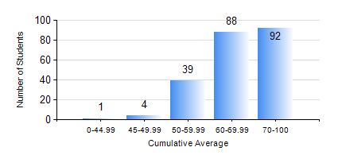
 |  |  | KWAME NKRUMAH UNIVERSITY OF SCIENCE AND TECHNOLOGY, KUMASI Department of Chemical Engineering

 |  |  | BSC. CHEMICAL ENG.

 |  |  | COMPREHENSIVE RECORD OF EXAMINATION RESULTS

 |  |  | RESULTS OF YEAR 1 FIRST SEMESTER, 2020/2021 ACADEMIC YEAR

 | Sn | Course Code |  | Course Name | Credit Hours | Min. Mark | Max. Mark | Avg. Mark | Std. Dev. | No. Passed | No. Trailed | No. (Df) | No. (I) | No. (I*) | No. Tagged(I,I*,Df) | Total
 | 0. |  |  |  |  |  |  | 0 | 0 | 0 | 0 | 0 | 0 | 0 | 0 | 1
 | 1. | CHE 151 |  | INORGANIC CHEMISTRY FOR ENGINEERS | 2 | 28 | 96 | 68 | 12.34 | 221 | 2 | 0 | 0 | 0 | 0 | 223
 | 2. | CHE 153 |  | ORGANIC CHEMISTRY FOR ENGINEERS | 2 | 40 | 89 | 62 | 10.66 | 223 | 0 | 0 | 0 | 0 | 0 | 223
 | 3. | CHEM 169 |  | PRACTICAL CHEMISTRY I | 3 | 31 | 85 | 73 | 6.94 | 221 | 2 | 0 | 0 | 0 | 0 | 223
 | 4. | EE 151 |  | APPLIED ELECTRICITY | 3 | 40 | 96 | 66 | 12.92 | 223 | 0 | 0 | 0 | 0 | 0 | 223
 | 5. | ENGL 157 |  | COMMUNICATION SKILLS I | 2 | 27 | 90 | 67 | 8.46 | 222 | 1 | 0 | 0 | 0 | 0 | 223
 | 6. | MATH 151 |  | ALGEBRA | 4 | 40 | 94 | 70 | 11.85 | 223 | 0 | 0 | 0 | 0 | 0 | 223
 | 7. | ME 159 |  | TECHNICAL DRAWING | 2 | 27 | 84 | 60 | 9.97 | 221 | 2 | 0 | 0 | 0 | 0 | 223

